Supply Chain
RESPONSIBLE SOURCING OF MINERALS AND METALS: SOURCE REVIEW OUTCOMES
Year Ended December 31, 2025 | INTERNALLY SOURCED |  | EXTERNALLY SOURCED
 | Copper Concentrates | Copper Cathode | Copper Concentrates | Copper Cathode | Recycled Copper | Molybdenum Concentrates | Roasted Molybdenum Concentrates | Other1 | Total
Risk Screening Results
Red Flag | 5 | 0 | 9 | 4 | 4 | 2 | 1 | 1 | 26
Orange Flag | 1 | 1 | 11 | 4 | 4 | 4 | 0 | 8 | 33
Committee Review Results
Acceptable Risk | 3 | 1 | 11 | 5 | 5 | 5 | 1 | 3 | 34
Moderate Risk | 3 | 0 | 6 | 1 | 1 | 1 | 0 | 1 | 13
Unacceptable Risk | 0 | 0 | 0 | 0 | 0 | 0 | 0 | 0 | 0
Pending | 0 | 0 | 3 | 2 | 2 | 0 | 0 | 5 | 12
1. Such as copper anodes, copper anode slimes, copper ingots, copper sheets, copper rod, silica, iron ingots, ferrosilicon, steel punchings, mill scale and gold and silver wire.

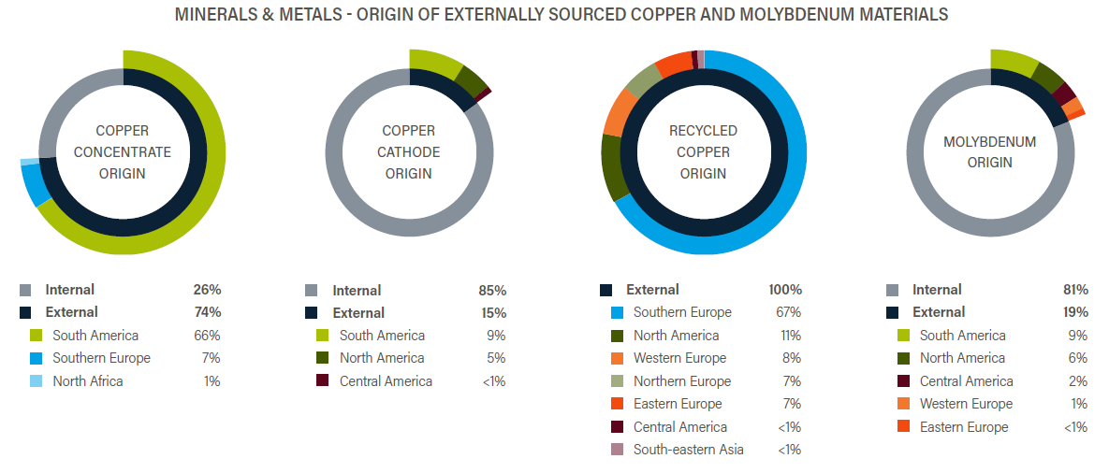

Note: Country groupings are based on the geographic regions defined under the Standard Country or Area Codes for Statistical Use (known as M49) of the United Nations Statistics Division, where Mexico is classified as Central America. The "origin" of recycled copper was determined based on the definition in the Joint Due Diligence Standard for Copper, Lead, Molybdenum, Nickel and Zinc: The point in the supply chain where the recycled material is returned to the immediate supplier of the recycler.

